COSTUME NATIONAL
 |  |  |  | 8216 |  |  | 360,016.31 € |  | 936,042.40 €
ARTICLE | COLOR | S/M | L/XL | QTY TOT |  | WH | WH TOT | RETAIL PRICE | RRP TOT | COMPOSIZIONE
 |  |  |  |  | 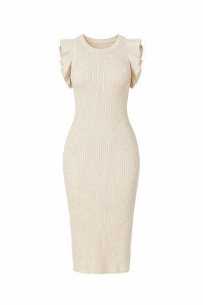
CNSS252030 | BLACK | 30 | 30 | 60 |  | 57.31 € | 3,438.46 € | 149.00 € | 8,940.00 € | 100% VISCOSA
CNSS252030 | WTE | 30 | 30 | 60 |  | 57.31 € | 3,438.46 € | 149.00 € | 8,940.00 € | 100% VISCOSA
CNSS252030 | BEIGE | 15 | 15 | 30 |  | 57.31 € | 1,719.23 € | 149.00 € | 4,470.00 € | 100% VISCOSA
CNSS252030 | KHAKI | 15 | 15 | 30 |  | 57.31 € | 1,719.23 € | 149.00 € | 4,470.00 € | 100% VISCOSA
 |  |  |  |  | 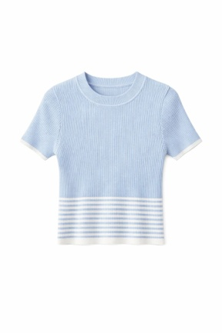 | 0.00 € | 0.00 € |  | 0.00 €
CNSS252038 | BEIGE BLACK | 24 | 24 | 48 |  | 34.23 € | 1,643.08 € | 89.00 € | 4,272.00 € | 100% VISCOSA
CNSS252038 | WHITE BLACK | 48 | 48 | 96 |  | 34.23 € | 3,286.15 € | 89.00 € | 8,544.00 € | 100% VISCOSA
CNSS252038 | BLACK WHITE | 48 | 48 | 96 |  | 34.23 € | 3,286.15 € | 89.00 € | 8,544.00 € | 100% VISCOSA
CNSS252038 | BLUE WHITE | 24 | 24 | 48 |  | 34.23 € | 1,643.08 € | 89.00 € | 4,272.00 € | 100% VISCOSA
 |  | TU |  |  | 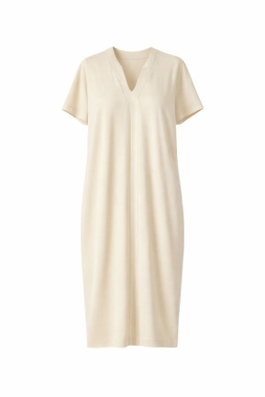 | 0.00 € | 0.00 € |  | 0.00 €
CNSS258007 | BLACK | 56 |  | 56 |  | 57.31 € | 3,209.23 € | 149.00 € | 8,344.00 € | 100% VISCOSA
CNSS258007 | WHITE | 56 |  | 56 |  | 57.31 € | 3,209.23 € | 149.00 € | 8,344.00 € | 100% VISCOSA
CNSS258007 | BEIGE | 56 |  | 56 |  | 57.31 € | 3,209.23 € | 149.00 € | 8,344.00 € | 100% VISCOSA
CNSS258007 | CAMEL | 56 |  | 56 |  | 57.31 € | 3,209.23 € | 149.00 € | 8,344.00 € | 100% VISCOSA
 |  |  |  |  | 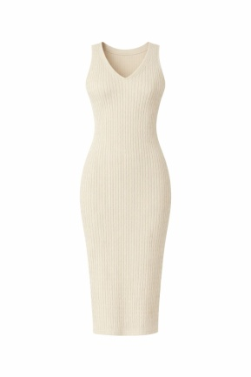 | 0.00 € | 0.00 € |  | 0.00 €
CNSS252021 | BLACK | 12 | 12 | 24 |  | 57.31 € | 1,375.38 € | 149.00 € | 3,576.00 € | 100% VISCOSA
CNSS252021 | WHITE | 24 | 24 | 48 |  | 57.31 € | 2,750.77 € | 149.00 € | 7,152.00 € | 100% VISCOSA
CNSS252021 | BEIGE | 12 | 12 | 24 |  | 57.31 € | 1,375.38 € | 149.00 € | 3,576.00 € | 100% VISCOSA
CNSS252021 | KHAKI | 12 | 12 | 24 |  | 57.31 € | 1,375.38 € | 149.00 € | 3,576.00 € | 100% VISCOSA
 |  |  |  |  | 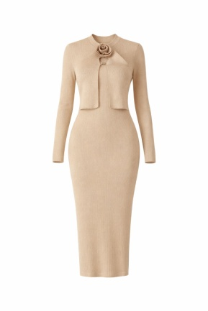 | 0.00 € | 0.00 € |  | 0.00 €
CNSS252035 | BLACK | 10 | 10 | 20 |  | 68.85 € | 1,376.92 € | 179.00 € | 3,580.00 € | 100% VISCOSA
CNSS252035 | WHITE | 18 | 18 | 36 |  | 68.85 € | 2,478.46 € | 179.00 € | 6,444.00 € | 100% VISCOSA
CNSS252035 | BEIGE | 10 | 10 | 20 |  | 68.85 € | 1,376.92 € | 179.00 € | 3,580.00 € | 100% VISCOSA
CNSS252035 | KHAKI | 10 | 10 | 20 |  | 68.85 € | 1,376.92 € | 179.00 € | 3,580.00 € | 100% VISCOSA
 |  |  |  |  | 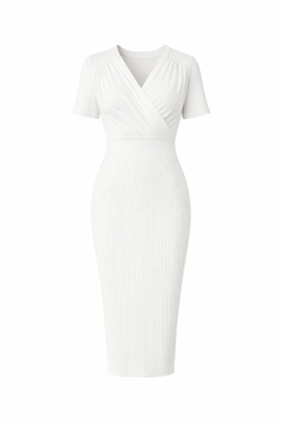 | 0.00 € | 0.00 € |  | 0.00 €
CNSS252033 | BLACK | 20 | 20 | 40 |  | 57.31 € | 2,292.31 € | 149.00 € | 5,960.00 € | 100% VISCOSA
CNSS252033 | WHITE | 40 | 40 | 80 |  | 57.31 € | 4,584.62 € | 149.00 € | 11,920.00 € | 100% VISCOSA
CNSS252033 | BEIGE | 20 | 20 | 40 |  | 57.31 € | 2,292.31 € | 149.00 € | 5,960.00 € | 100% VISCOSA
CNSS252033 | KHAKI | 20 | 20 | 40 |  | 57.31 € | 2,292.31 € | 149.00 € | 5,960.00 € | 100% VISCOSA
 |  |  |  |  | 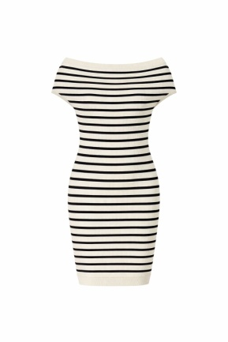 | 0.00 € | 0.00 € |  | 0.00 €
CNSS252022 | BLACK WHITE | 40 | 40 | 80 |  | 53.46 € | 4,276.92 € | 139.00 € | 11,120.00 € | 100% VISCOSA
CNSS252022 | WHITE BLACK | 40 | 40 | 80 |  | 53.46 € | 4,276.92 € | 139.00 € | 11,120.00 € | 100% VISCOSA
CNSS252022 | BLUE WHITE | 20 | 20 | 40 |  | 53.46 € | 2,138.46 € | 139.00 € | 5,560.00 € | 100% VISCOSA
CNSS252022 | BEIGE BLACK | 20 | 20 | 40 |  | 53.46 € | 2,138.46 € | 139.00 € | 5,560.00 € | 100% VISCOSA
 |  |  |  |  | 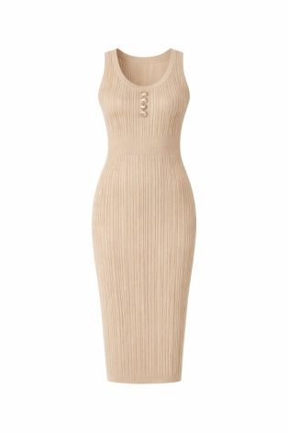 | 0.00 € | 0.00 € |  | 0.00 €
CNSS252050 | BLACK | 46 | 46 | 92 |  | 53.46 € | 4,918.46 € | 139.00 € | 12,788.00 € | 100% VISCOSA
CNSS252050 | WHITE | 46 | 46 | 92 |  | 53.46 € | 4,918.46 € | 139.00 € | 12,788.00 € | 100% VISCOSA
CNSS252050 | BEIGE | 22 | 24 | 46 |  | 53.46 € | 2,459.23 € | 139.00 € | 6,394.00 € | 100% VISCOSA
CNSS252050 | KHAKI | 24 | 24 | 48 |  | 53.46 € | 2,566.15 € | 139.00 € | 6,672.00 € | 100% VISCOSA
 |  |  |  |  | 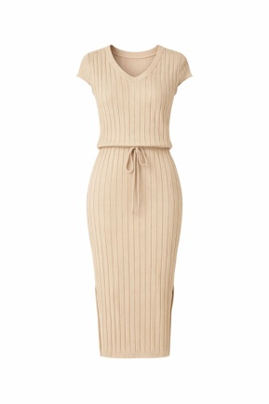 | 0.00 € | 0.00 € |  | 0.00 €
CNSS252031 | BLACK | 40 | 40 | 80 |  | 57.31 € | 4,584.62 € | 149.00 € | 11,920.00 € | 100% VISCOSA
CNSS252031 | WHITE | 40 | 40 | 80 |  | 57.31 € | 4,584.62 € | 149.00 € | 11,920.00 € | 100% VISCOSA
CNSS252031 | BEIGE | 20 | 20 | 40 |  | 57.31 € | 2,292.31 € | 149.00 € | 5,960.00 € | 100% VISCOSA
CNSS252031 | KHAKI | 20 | 20 | 40 |  | 57.31 € | 2,292.31 € | 149.00 € | 5,960.00 € | 100% VISCOSA
 |  |  |  |  | 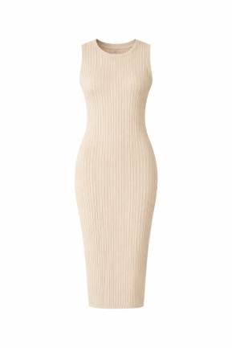 | 0.00 € | 0.00 € |  | 0.00 €
CNSS252015 | BLACK | 40 | 40 | 80 |  | 53.46 € | 4,276.92 € | 139.00 € | 11,120.00 € | 100% VISCOSA
CNSS252015 | WHITE | 40 | 40 | 80 |  | 53.46 € | 4,276.92 € | 139.00 € | 11,120.00 € | 100% VISCOSA
CNSS252015 | BEIGE | 20 | 20 | 40 |  | 53.46 € | 2,138.46 € | 139.00 € | 5,560.00 € | 100% VISCOSA
CNSS252015 | CAMEL | 20 | 20 | 40 |  | 53.46 € | 2,138.46 € | 139.00 € | 5,560.00 € | 100% VISCOSA
 |  |  |  |  | 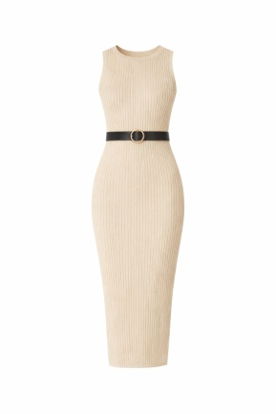 | 0.00 € | 0.00 € |  | 0.00 €
CNSS252017 | BLACK | 40 | 40 | 80 |  | 53.46 € | 4,276.92 € | 139.00 € | 11,120.00 € | 100% VISCOSA
CNSS252017 | WHITE | 40 | 40 | 80 |  | 53.46 € | 4,276.92 € | 139.00 € | 11,120.00 € | 100% VISCOSA
CNSS252017 | BEIGE | 20 | 20 | 40 |  | 53.46 € | 2,138.46 € | 139.00 € | 5,560.00 € | 100% VISCOSA
CNSS252017 | CAMEL | 20 | 20 | 40 |  | 53.46 € | 2,138.46 € | 139.00 € | 5,560.00 € | 100% VISCOSA
 |  |  |  |  | 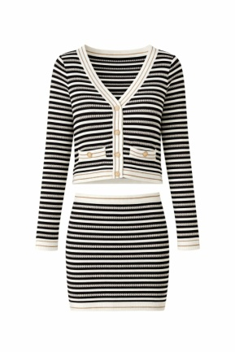 | 0.00 € | 0.00 € |  | 0.00 €
CNSS252026 | BLACK WHITE | 40 | 40 | 80 |  | 38.08 € | 3,046.15 € | 99.00 € | 7,920.00 € | 87% VISCOSA 7% POLIAMMIDE 7% LINO
CNSS252026 | WHITE BLACK | 46 | 46 | 92 |  | 38.08 € | 3,503.08 € | 99.00 € | 9,108.00 € | 87% VISCOSA 7% POLIAMMIDE 7% LINO
CNSS252026 | BEIGE BLACK | 24 | 24 | 48 |  | 38.08 € | 1,827.69 € | 99.00 € | 4,752.00 € | 87% VISCOSA 7% POLIAMMIDE 7% LINO
 |  |  |  |  |  | 0.00 € | 0.00 € |  | 0.00 €
CNSS252026G | BLACK WHITE | 40 | 40 | 80 |  | 26.54 € | 2,123.08 € | 69.00 € | 5,520.00 € | 87% VISCOSA 7% POLIAMMIDE 7% LINO
CNSS252026G | WHITE BLACK | 46 | 46 | 92 |  | 26.54 € | 2,441.54 € | 69.00 € | 6,348.00 € | 87% VISCOSA 7% POLIAMMIDE 7% LINO
CNSS252026G | BEIGE BLACK | 24 | 24 | 48 |  | 26.54 € | 1,273.85 € | 69.00 € | 3,312.00 € | 87% VISCOSA 7% POLIAMMIDE 7% LINO
 |  |  |  |  | 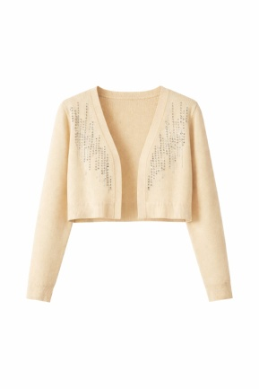 | 0.00 € | 0.00 € |  | 0.00 €
CNSS258004 | BLACK | 40 | 40 | 80 |  | 34.23 € | 2,738.46 € | 89.00 € | 7,120.00 € | 100% VISCOSA
CNSS258004 | WHITE | 40 | 40 | 80 |  | 34.23 € | 2,738.46 € | 89.00 € | 7,120.00 € | 100% VISCOSA
CNSS258004 | BEIGE | 20 | 20 | 40 |  | 34.23 € | 1,369.23 € | 89.00 € | 3,560.00 € | 100% VISCOSA
CNSS258004 | CAMEL | 20 | 20 | 40 |  | 34.23 € | 1,369.23 € | 89.00 € | 3,560.00 € | 100% VISCOSA
 |  |  |  |  | 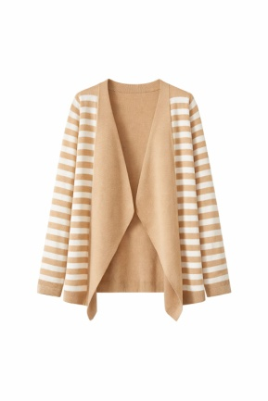 | 0.00 € | 0.00 € |  | 0.00 €
CNSS258002 | BLACK WHITE | 10 | 10 | 20 |  | 38.08 € | 761.54 € | 99.00 € | 1,980.00 € | 100% VISCOSA
CNSS258002 | WHITE BLACK | 10 | 10 | 20 |  | 38.08 € | 761.54 € | 99.00 € | 1,980.00 € | 100% VISCOSA
CNSS258002 | BEIGE BLACK | 5 | 5 | 10 |  | 38.08 € | 380.77 € | 99.00 € | 990.00 € | 100% VISCOSA
CNSS258002 | CAMEL WHITE | 5 | 5 | 10 |  | 38.08 € | 380.77 € | 99.00 € | 990.00 € | 100% VISCOSA
 |  |  |  |  | 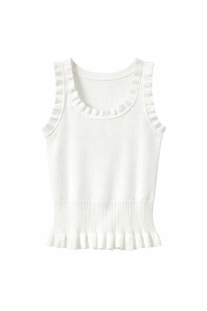 | 0.00 € | 0.00 € |  | 0.00 €
CNSS252037 | BLACK | 12 | 12 | 24 |  | 34.23 € | 821.54 € | 89.00 € | 2,136.00 € | 100% VISCOSA
CNSS252037 | WHITE | 12 | 12 | 24 |  | 34.23 € | 821.54 € | 89.00 € | 2,136.00 € | 100% VISCOSA
CNSS252037 | BEIGE | 6 | 6 | 12 |  | 34.23 € | 410.77 € | 89.00 € | 1,068.00 € | 100% VISCOSA
CNSS252037 | BLUE WHITE | 6 | 6 | 12 |  | 34.23 € | 410.77 € | 89.00 € | 1,068.00 € | 100% VISCOSA
 |  |  |  |  | 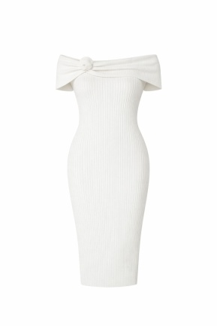 | 0.00 € | 0.00 € |  | 0.00 €
CNSS252052 | BLACK | 20 | 20 | 40 |  | 57.31 € | 2,292.31 € | 149.00 € | 5,960.00 € | 100% VISCOSA
CNSS252052 | WHITE | 20 | 20 | 40 |  | 57.31 € | 2,292.31 € | 149.00 € | 5,960.00 € | 100% VISCOSA
CNSS252052 | BEIGE | 10 | 10 | 20 |  | 57.31 € | 1,146.15 € | 149.00 € | 2,980.00 € | 100% VISCOSA
CNSS252052 | KHAKI | 10 | 10 | 20 |  | 57.31 € | 1,146.15 € | 149.00 € | 2,980.00 € | 100% VISCOSA
 |  |  |  |  | 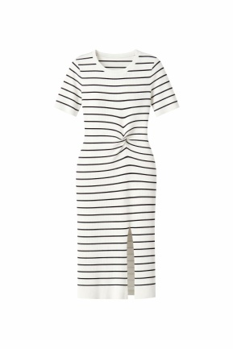 | 0.00 € | 0.00 € |  | 0.00 €
CNSS258801 | WHITE BLACK | 40 | 40 | 80 |  | 57.31 € | 4,584.62 € | 149.00 € | 11,920.00 € | 100% VISCOSA
CNSS258801 | BLACK WHITE | 40 | 40 | 80 |  | 57.31 € | 4,584.62 € | 149.00 € | 11,920.00 € | 100% VISCOSA
CNSS258801 | APRICOT WHITE | 20 | 20 | 40 |  | 57.31 € | 2,292.31 € | 149.00 € | 5,960.00 € | 100% VISCOSA
CNSS258801 | WHITE BLUE | 20 | 20 | 40 |  | 57.31 € | 2,292.31 € | 149.00 € | 5,960.00 € | 100% VISCOSA
 |  |  |  |  | 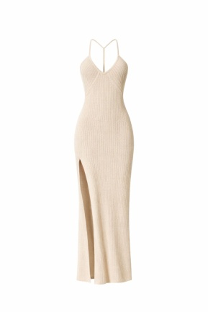 | 0.00 € | 0.00 € |  | 0.00 €
CNSS252560 | WHITE | 42 | 42 | 84 |  | 61.15 € | 5,136.92 € | 159.00 € | 13,356.00 € | 35% ACRILICO 35% RAYON 30% COTONE
CNSS252560 | BLACK | 21 | 21 | 42 |  | 61.15 € | 2,568.46 € | 159.00 € | 6,678.00 € | 35% ACRILICO 35% RAYON 30% COTONE
CNSS252560 | APRICOT | 21 | 21 | 42 |  | 61.15 € | 2,568.46 € | 159.00 € | 6,678.00 € | 35% ACRILICO 35% RAYON 30% COTONE
CNSS252560 | CAFFE | 21 | 21 | 42 |  | 61.15 € | 2,568.46 € | 159.00 € | 6,678.00 € | 35% ACRILICO 35% RAYON 30% COTONE
 |  |  |  |  | 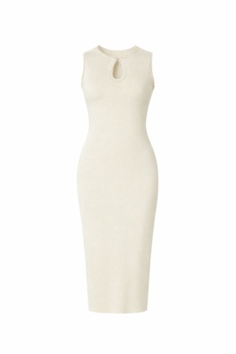 | 0.00 € | 0.00 € |  | 0.00 €
CNSS252018 | BLACK | 13 | 13 | 26 |  | 57.31 € | 1,490.00 € | 149.00 € | 3,874.00 € | 100% VISCOSA
CNSS252018 | WHITE | 30 | 30 | 60 |  | 57.31 € | 3,438.46 € | 149.00 € | 8,940.00 € | 100% VISCOSA
CNSS252018 | BEIGE | 12 | 12 | 24 |  | 57.31 € | 1,375.38 € | 149.00 € | 3,576.00 € | 100% VISCOSA
 |  |  |  |  | 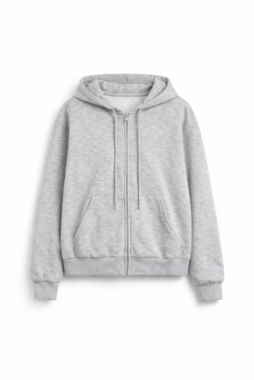 | 0.00 € | 0.00 € |  | 0.00 €
CNSS25H003 | WHITE | 24 | 24 | 48 |  | 38.08 € | 1,827.69 € | 99.00 € | 4,752.00 € | 49% POLIESTERE 45% VISCOSA 6% SPANDEX
CNSS25H003 | GREY | 24 | 24 | 48 |  | 38.08 € | 1,827.69 € | 99.00 € | 4,752.00 € | 49% POLIESTERE 45% VISCOSA 6% SPANDEX
CNSS25H003 | BLACK | 48 | 48 | 96 |  | 38.08 € | 3,655.38 € | 99.00 € | 9,504.00 € | 49% POLIESTERE 45% VISCOSA 6% SPANDEX
 |  | TU |  |  | 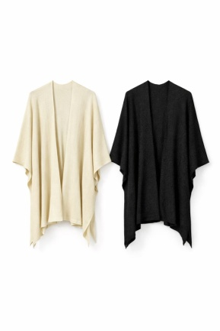 | 0.00 € | 0.00 € |  | 0.00 €
CNSS252672 | WHITE | 48 |  | 48 |  | 49.62 € | 2,381.54 € | 129.00 € | 6,192.00 € | 84% COTONE 16% LUREX
CNSS252672 | BLACK | 32 |  | 32 |  | 49.62 € | 1,587.69 € | 129.00 € | 4,128.00 € | 84% COTONE 16% LUREX
 |  | TU |  | 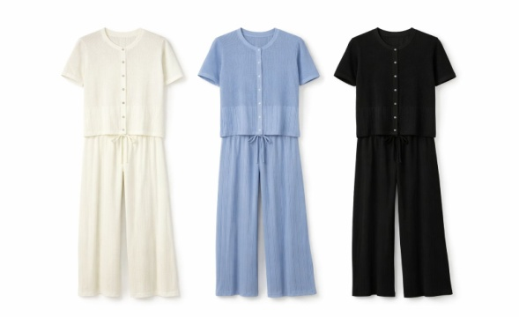 |  | 0.00 € | 0.00 € |  | 0.00 €
CNSS252607 | WHITE | 80 |  | 80 |  | 30.77 € | 2,461.23 € | 79.99 € | 6,399.20 € | 80% VISCOSA 20% NYLON
CNSS252607 | BLUE WHITE | 40 |  | 40 |  | 30.77 € | 1,230.62 € | 79.99 € | 3,199.60 € | 80% VISCOSA 20% NYLON
CNSS252607 | BLACK | 40 |  | 40 |  | 30.77 € | 1,230.62 € | 79.99 € | 3,199.60 € | 80% VISCOSA 20% NYLON
 |  | TU |  |  |  | 0.00 € | 0.00 € |  | 0.00 €
CNSS252607P | WHITE | 80 |  | 80 |  | 45.77 € | 3,661.54 € | 119.00 € | 9,520.00 € | 80% VISCOSA 20% NYLON
CNSS252607P | BLUE WHITE | 40 |  | 40 |  | 45.77 € | 1,830.77 € | 119.00 € | 4,760.00 € | 80% VISCOSA 20% NYLON
CNSS252607P | BLACK | 40 |  | 40 |  | 45.77 € | 1,830.77 € | 119.00 € | 4,760.00 € | 80% VISCOSA 20% NYLON
 |  | TU |  |  | 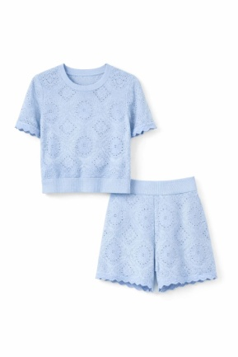 | 0.00 € | 0.00 € |  | 0.00 €
CNSS252613 | WHITE | 72 |  | 72 |  | 38.08 € | 2,741.54 € | 99.00 € | 7,128.00 € | 30% POLIESTERE 30% VISCOSA 18% NYLON 12% TENCEL WOOL 10% RAYON
CNSS252613 | APRICOT | 48 |  | 48 |  | 38.08 € | 1,827.69 € | 99.00 € | 4,752.00 € | 30% POLIESTERE 30% VISCOSA 18% NYLON 12% TENCEL WOOL 10% RAYON
CNSS252613 | YELLOW | 24 |  | 24 |  | 38.08 € | 913.85 € | 99.00 € | 2,376.00 € | 30% POLIESTERE 30% VISCOSA 18% NYLON 12% TENCEL WOOL 10% RAYON
CNSS252613 | BLUE | 24 |  | 24 |  | 38.08 € | 913.85 € | 99.00 € | 2,376.00 € | 30% POLIESTERE 30% VISCOSA 18% NYLON 12% TENCEL WOOL 10% RAYON
CNSS252613 | BLACK | 24 |  | 24 |  | 38.08 € | 913.85 € | 99.00 € | 2,376.00 € | 30% POLIESTERE 30% VISCOSA 18% NYLON 12% TENCEL WOOL 10% RAYON
 |  | TU |  |  |  | 0.00 € | 0.00 € |  | 0.00 €
CNSS252613S | WHITE | 72 |  | 72 |  | 30.38 € | 2,187.69 € | 79.00 € | 5,688.00 € | 30% POLIESTERE 30% VISCOSA 18% NYLON 12% TENCEL WOOL 10% RAYON
CNSS252613S | APRICOT | 48 |  | 48 |  | 30.38 € | 1,458.46 € | 79.00 € | 3,792.00 € | 30% POLIESTERE 30% VISCOSA 18% NYLON 12% TENCEL WOOL 10% RAYON
CNSS252613S | YELLOW | 24 |  | 24 |  | 30.38 € | 729.23 € | 79.00 € | 1,896.00 € | 30% POLIESTERE 30% VISCOSA 18% NYLON 12% TENCEL WOOL 10% RAYON
CNSS252613S | BLUE | 24 |  | 24 |  | 30.38 € | 729.23 € | 79.00 € | 1,896.00 € | 30% POLIESTERE 30% VISCOSA 18% NYLON 12% TENCEL WOOL 10% RAYON
CNSS252613S | BLACK | 24 |  | 24 |  | 30.38 € | 729.23 € | 79.00 € | 1,896.00 € | 30% POLIESTERE 30% VISCOSA 18% NYLON 12% TENCEL WOOL 10% RAYON
 |  | TU |  |  | 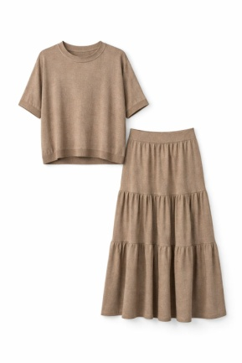 | 0.00 € | 0.00 € |  | 0.00 €
CNSS252633 | WHITE | 49 |  | 49 |  | 38.08 € | 1,865.77 € | 99.00 € | 4,851.00 € | 65% VISCOSA 15% SPANDEX 10% POLIAMMIDE 10% LUREX
CNSS252633 | APRICOT | 26 |  | 26 |  | 38.08 € | 990.00 € | 99.00 € | 2,574.00 € | 65% VISCOSA 15% SPANDEX 10% POLIAMMIDE 10% LUREX
CNSS252633 | BLACK | 26 |  | 26 |  | 38.08 € | 990.00 € | 99.00 € | 2,574.00 € | 65% VISCOSA 15% SPANDEX 10% POLIAMMIDE 10% LUREX
 |  | TU |  |  |  | 0.00 € | 0.00 € |  | 0.00 €
CNSS252633G | WHITE | 49 |  | 49 |  | 53.46 € | 2,619.62 € | 139.00 € | 6,811.00 € | 65% VISCOSA 15% SPANDEX 10% POLIAMMIDE 10% LUREX
CNSS252633G | APRICOT | 26 |  | 26 |  | 53.46 € | 1,390.00 € | 139.00 € | 3,614.00 € | 65% VISCOSA 15% SPANDEX 10% POLIAMMIDE 10% LUREX
CNSS252633G | BLACK | 26 |  | 26 |  | 53.46 € | 1,390.00 € | 139.00 € | 3,614.00 € | 65% VISCOSA 15% SPANDEX 10% POLIAMMIDE 10% LUREX
 |  |  |  |  | 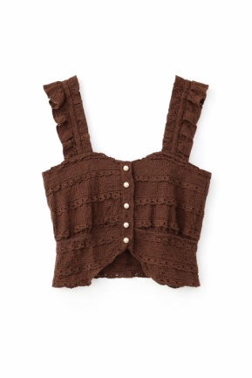 | 0.00 € | 0.00 € |  | 0.00 €
CNSS25F803 | BLACK | 16 | 16 | 32 |  | 38.08 € | 1,218.46 € | 99.00 € | 3,168.00 € | 100% POLIESTERE
CNSS25F803 | WHITE | 32 | 32 | 64 |  | 38.08 € | 2,436.92 € | 99.00 € | 6,336.00 € | 100% POLIESTERE
CNSS25F803 | COFFE | 16 | 16 | 32 |  | 38.08 € | 1,218.46 € | 99.00 € | 3,168.00 € | 100% POLIESTERE
CNSS25F803 | APRICOT | 32 | 32 | 64 |  | 38.08 € | 2,436.92 € | 99.00 € | 6,336.00 € | 100% POLIESTERE
 |  | TU |  |  | 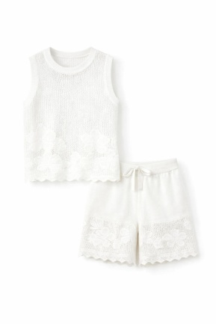 | 0.00 € | 0.00 € |  | 0.00 €
CNSS25X2635 | WHITE | 80 |  | 80 |  | 30.38 € | 2,430.77 € | 79.00 € | 6,320.00 € | 80% LYOCELL 20% LINO
CNSS25X2635 | APRICOT | 40 |  | 40 |  | 30.38 € | 1,215.38 € | 79.00 € | 3,160.00 € | 80% LYOCELL 20% LINO
CNSS25X2635 | BROWN | 40 |  | 40 |  | 30.38 € | 1,215.38 € | 79.00 € | 3,160.00 € | 80% LYOCELL 20% LINO
CNSS25X2635 | BLACK | 40 |  | 40 |  | 30.38 € | 1,215.38 € | 79.00 € | 3,160.00 € | 80% LYOCELL 20% LINO
 |  | TU |  |  |  | 0.00 € | 0.00 € |  | 0.00 €
CNSS25X2635S | WHITE | 80 |  | 80 |  | 38.08 € | 3,046.15 € | 99.00 € | 7,920.00 € | 80% LYOCELL 20% LINO
CNSS25X2635S | APRICOT | 40 |  | 40 |  | 38.08 € | 1,523.08 € | 99.00 € | 3,960.00 € | 80% LYOCELL 20% LINO
CNSS25X2635S | BROWN | 40 |  | 40 |  | 38.08 € | 1,523.08 € | 99.00 € | 3,960.00 € | 80% LYOCELL 20% LINO
CNSS25X2635S | BLACK | 40 |  | 40 |  | 38.08 € | 1,523.08 € | 99.00 € | 3,960.00 € | 80% LYOCELL 20% LINO
 |  |  |  |  | 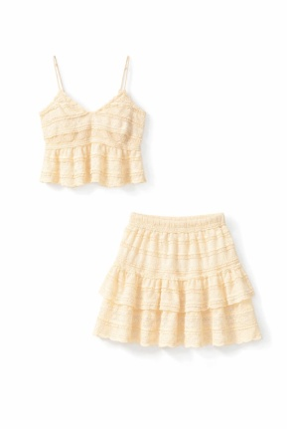 | 0.00 € | 0.00 € |  | 0.00 €
CNSS25FF802 | BLACK | 40 | 40 | 80 |  | 30.38 € | 2,430.77 € | 79.00 € | 6,320.00 € | 100% POLIESTERE
CNSS25FF802 | APRICOT | 60 | 60 | 120 |  | 30.38 € | 3,646.15 € | 79.00 € | 9,480.00 € | 100% POLIESTERE
CNSS25FF802 | COFFE | 20 | 20 | 40 |  | 30.38 € | 1,215.38 € | 79.00 € | 3,160.00 € | 100% POLIESTERE
 |  |  |  |  |  | 0.00 € | 0.00 € |  | 0.00 €
CNSS25FF802G | BLACK | 40 | 40 | 80 |  | 38.08 € | 3,046.15 € | 99.00 € | 7,920.00 € | 100% POLIESTERE
CNSS25FF802G | APRICOT | 60 | 60 | 120 |  | 38.08 € | 4,569.23 € | 99.00 € | 11,880.00 € | 100% POLIESTERE
CNSS25FF802G | COFFE | 20 | 20 | 40 |  | 38.08 € | 1,523.08 € | 99.00 € | 3,960.00 € | 100% POLIESTERE
 |  |  |  |  | 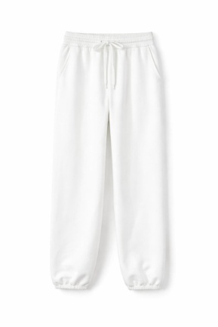 | 0.00 € | 0.00 € |  | 0.00 €
CNSS25H014 | WHITE | 20 | 20 | 40 |  | 38.08 € | 1,523.08 € | 99.00 € | 3,960.00 € | 49% POLIESTERE 45% VISCOSA 6% SPANDEX
CNSS25H014 | GRAY | 20 | 20 | 40 |  | 38.08 € | 1,523.08 € | 99.00 € | 3,960.00 € | 49% POLIESTERE 45% VISCOSA 6% SPANDEX
CNSS25H014 | BLACK | 40 | 40 | 80 |  | 38.08 € | 3,046.15 € | 99.00 € | 7,920.00 € | 49% POLIESTERE 45% VISCOSA 6% SPANDEX
 |  | TU |  |  | 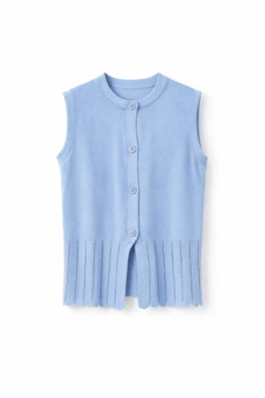 | 0.00 € | 0.00 € |  | 0.00 €
CNSS25X2637 | WHITE | 80 |  | 80 |  | 38.08 € | 3,046.15 € | 99.00 € | 7,920.00 € | 80% VISCOSA 20% NYLON
CNSS25X2637 | BLUE | 40 |  | 40 |  | 38.08 € | 1,523.08 € | 99.00 € | 3,960.00 € | 80% VISCOSA 20% NYLON
CNSS25X2637 | BLACK | 40 |  | 40 |  | 38.08 € | 1,523.08 € | 99.00 € | 3,960.00 € | 80% VISCOSA 20% NYLON
 |  | TU |  |  | 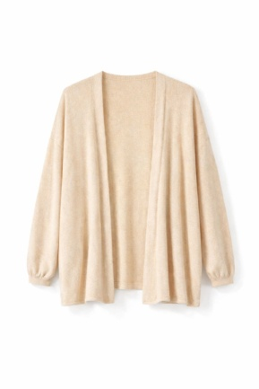 | 0.00 € | 0.00 € |  | 0.00 €
CNSS25X2650 | WHITE | 96 |  | 96 |  | 45.77 € | 4,393.85 € | 119.00 € | 11,424.00 € | 65% VISCOSA 15% SPANDEX 10% POLIAMMIDE 10% LUREX
CNSS25X2650 | APRICOT | 96 |  | 96 |  | 45.77 € | 4,393.85 € | 119.00 € | 11,424.00 € | 65% VISCOSA 15% SPANDEX 10% POLIAMMIDE 10% LUREX
CNSS25X2650 | BLACK | 48 |  | 48 |  | 45.77 € | 2,196.92 € | 119.00 € | 5,712.00 € | 65% VISCOSA 15% SPANDEX 10% POLIAMMIDE 10% LUREX
 |  |  |  |  | 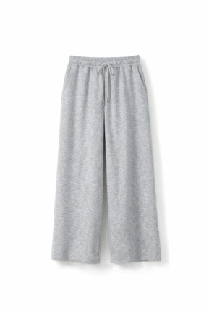 | 0.00 € | 0.00 € |  | 0.00 €
CNSS25H004 | WHITE | 20 | 20 | 40 |  | 38.08 € | 1,523.08 € | 99.00 € | 3,960.00 € | 49% POLIESTERE 45% VISCOSA 6% SPANDEX
CNSS25H004 | GRAY | 20 | 20 | 40 |  | 38.08 € | 1,523.08 € | 99.00 € | 3,960.00 € | 49% POLIESTERE 45% VISCOSA 6% SPANDEX
CNSS25H004 | BLACK | 40 | 40 | 80 |  | 38.08 € | 3,046.15 € | 99.00 € | 7,920.00 € | 49% POLIESTERE 45% VISCOSA 6% SPANDEX
 |  | TU |  |  | 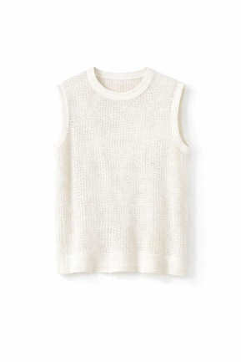 | 0.00 € | 0.00 € |  | 0.00 €
CNSS25H2638 | WHITE | 96 |  | 96 |  | 34.23 € | 3,286.15 € | 89.00 € | 8,544.00 € | 65% VISCOSA 15% SPANDEX 10% POLIAMMIDE 10% LUREX
CNSS25H2638 | APRICOT | 96 |  | 96 |  | 34.23 € | 3,286.15 € | 89.00 € | 8,544.00 € | 65% VISCOSA 15% SPANDEX 10% POLIAMMIDE 10% LUREX
CNSS25H2638 | BLACK | 48 |  | 48 |  | 34.23 € | 1,643.08 € | 89.00 € | 4,272.00 € | 65% VISCOSA 15% SPANDEX 10% POLIAMMIDE 10% LUREX
 |  |  |  |  | 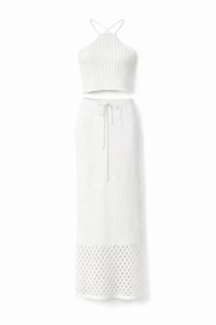 | 0.00 € | 0.00 € |  | 0.00 €
CNSS252561 | WHITE | 40 | 40 | 80 |  | 34.23 € | 2,738.46 € | 89.00 € | 7,120.00 € | 35% ACRILICO 35% RAYON 30% COTONE
CNSS252561 | BLACK | 20 | 20 | 40 |  | 34.23 € | 1,369.23 € | 89.00 € | 3,560.00 € | 35% ACRILICO 35% RAYON 30% COTONE
CNSS252561 | APRICOT | 20 | 20 | 40 |  | 34.23 € | 1,369.23 € | 89.00 € | 3,560.00 € | 35% ACRILICO 35% RAYON 30% COTONE
CNSS252561 | COFFE | 20 | 20 | 40 |  | 34.23 € | 1,369.23 € | 89.00 € | 3,560.00 € | 35% ACRILICO 35% RAYON 30% COTONE
 |  |  |  |  |  | 0.00 € | 0.00 € |  | 0.00 €
CNSS252561G | WHITE | 40 | 40 | 80 |  | 38.08 € | 3,046.15 € | 99.00 € | 7,920.00 € | 35% ACRILICO 35% RAYON 30% COTONE
CNSS252561G | BLACK | 20 | 20 | 40 |  | 38.08 € | 1,523.08 € | 99.00 € | 3,960.00 € | 35% ACRILICO 35% RAYON 30% COTONE
CNSS252561G | APRICOT | 20 | 20 | 40 |  | 38.08 € | 1,523.08 € | 99.00 € | 3,960.00 € | 35% ACRILICO 35% RAYON 30% COTONE
CNSS252561G | COFFE | 20 | 20 | 40 |  | 38.08 € | 1,523.08 € | 99.00 € | 3,960.00 € | 35% ACRILICO 35% RAYON 30% COTONE
 |  |  |  |  | 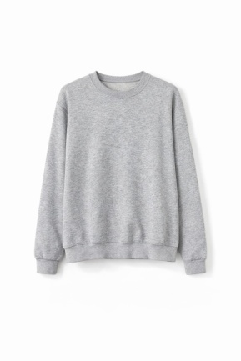 | 0.00 € | 0.00 € |  | 0.00 €
CNSS25H002 | WHITE | 16 | 16 | 32 |  | 38.08 € | 1,218.46 € | 99.00 € | 3,168.00 € | 49% POLIESTERE 45% VISCOSA 6% SPANDEX
CNSS25H002 | GRAY | 16 | 16 | 32 |  | 38.08 € | 1,218.46 € | 99.00 € | 3,168.00 € | 49% POLIESTERE 45% VISCOSA 6% SPANDEX
CNSS25H002 | BLACK | 32 | 32 | 64 |  | 38.08 € | 2,436.92 € | 99.00 € | 6,336.00 € | 49% POLIESTERE 45% VISCOSA 6% SPANDEX
 |  | TU |  |  | 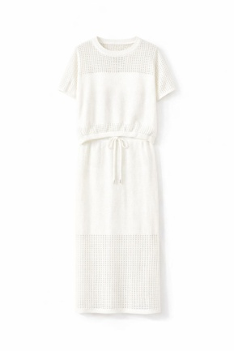 | 0.00 € | 0.00 € |  | 0.00 €
CNSS25X2622 | WHITE | 60 |  | 60 |  | 38.08 € | 2,284.62 € | 99.00 € | 5,940.00 € | 100% COTONE
CNSS25X2622 | KHAKI | 40 |  | 40 |  | 38.08 € | 1,523.08 € | 99.00 € | 3,960.00 € | 100% COTONE
CNSS25X2622 | BLUE | 20 |  | 20 |  | 38.08 € | 761.54 € | 99.00 € | 1,980.00 € | 100% COTONE
CNSS25X2622 | BLACK | 20 |  | 20 |  | 38.08 € | 761.54 € | 99.00 € | 1,980.00 € | 100% COTONE
 |  | TU |  |  | 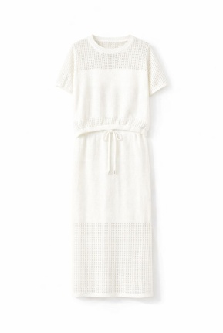 | 0.00 € | 0.00 € |  | 0.00 €
CNSS25X2622G | WHITE | 60 |  | 60 |  | 49.62 € | 2,976.92 € | 129.00 € | 7,740.00 € | 100% COTONE
CNSS25X2622G | KHAKI | 40 |  | 40 |  | 49.62 € | 1,984.62 € | 129.00 € | 5,160.00 € | 100% COTONE
CNSS25X2622G | BLUE | 20 |  | 20 |  | 49.62 € | 992.31 € | 129.00 € | 2,580.00 € | 100% COTONE
CNSS25X2622G | BLACK | 20 |  | 20 |  | 49.62 € | 992.31 € | 129.00 € | 2,580.00 € | 100% COTONE
 |  | TU |  |  | 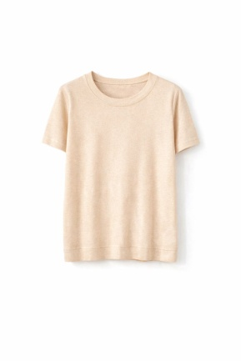 | 0.00 € | 0.00 € |  | 0.00 €
CNSS25X2651 | WHITE | 96 |  | 96 |  | 34.23 € | 3,286.15 € | 89.00 € | 8,544.00 € | 65% VISCOSA 15% SPANDEX 10% POLIAMMIDE 10% LUREX
CNSS25X2651 | APRICOT | 96 |  | 96 |  | 34.23 € | 3,286.15 € | 89.00 € | 8,544.00 € | 65% VISCOSA 15% SPANDEX 10% POLIAMMIDE 10% LUREX
CNSS25X2651 | BLACK | 48 |  | 48 |  | 34.23 € | 1,643.08 € | 89.00 € | 4,272.00 € | 65% VISCOSA 15% SPANDEX 10% POLIAMMIDE 10% LUREX
 |  | TU |  |  | 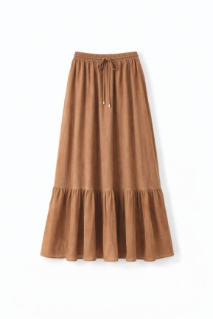 | 0.00 € | 0.00 € |  | 0.00 €
CNSS258061 | BEIGE | 40 |  | 40 |  | 61.15 € | 2,446.15 € | 159.00 € | 6,360.00 € | 100% COTONE
CNSS258061 | CAMEL | 40 |  | 40 |  | 61.15 € | 2,446.15 € | 159.00 € | 6,360.00 € | 100% COTONE
CNSS258061 | BLACK | 40 |  | 40 |  | 61.15 € | 2,446.15 € | 159.00 € | 6,360.00 € | 100% COTONE

